Task Attachment
URL: | https://www.xe.com/currencyconverter/

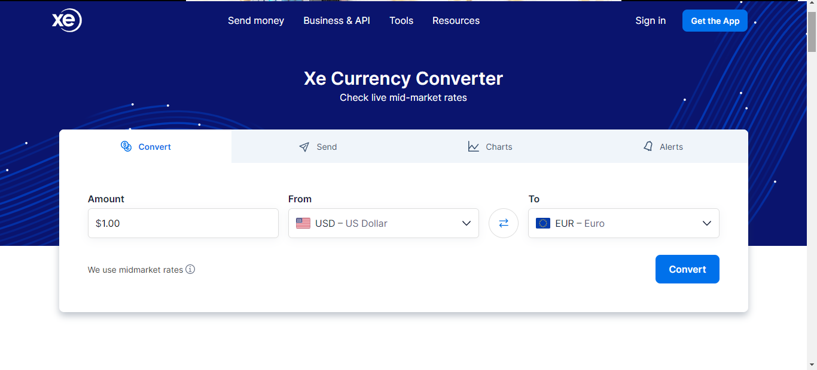
Output

